Analyze
KPI's | Total Sales |  | Total Profit |  | Total Profit Margin | Average Profit Margin

 | Sum of Total Sales |  | Sum of Operating Profit |  | Sum of Operating Profit | Average of Operating Margin |  | Average of Operating Profit | Sum of Units Sold
 | $12,016,665 |  | $4,722,497 |  | $4,722,497 | 42% |  | $489 | 24,788,610

 | Sum of Total Sales | Column Labels
 | Row Labels | 2022 | 2023
 | West Soda | $1,170,362 | $2,070,594 | West Soda | 1170361.6 | 2070594.2
 | Walmart | $339,913 | $580,211 | Walmart | 339912.5 | 580211
 | Target | $9,250 | $1,341,995 | Target | 9250.3 | 1341995
 | FizzyCo | $161,210 | $2,262,827 | FizzyCo | 161210.1 | 2262827.1
 | BevCo | $466,788 | $2,327,607 | BevCo | 466788 | 2327606.5
 | Amazon | $276,210 | $1,009,699 | Amazon | 276210 | 1009698.7

 | Row Labels | Total Retailer Sales | Average of Operating Profit
 | 2022 | $90,392 | $241 | 2022 | Qtr4 | $90,391.80 | $241.15
 | Qtr4 | $90,392 | $241 |  | 2023 | $1,577,051.60 | $376.89
 | 2023 | $1,577,052 | $377 |  | Qtr1 | $383,459.10 | $338.12
 | Qtr1 | $383,459 | $338 |  | Qtr2 | $355,718.20 | $327.64
 | Qtr2 | $355,718 | $328 | Qtr3 | Qtr4 | $354,252.30 | $447.29
 | Qtr3 | $483,622 | $413 |  | 0 | $- | $-
 | Qtr4 | $354,252 | $447 |  | 0 | $- | $-
 |  |  |  |  | 0 | $- | $-

Sum of Total Sales | Column Labels
Row Labels | 2022 | 2023
Coca-Cola | $499,102 | $2,268,975 | Coca-Cola | 499102 | 2268974.9
Dasani Water | $469,271 | $1,917,828 | Dasani Water | 469270.7 | 1917827.8
Diet Coke | $423,759 | $1,633,959 | Diet Coke | 423758.7 | 1633959.3
Sprite | $366,578 | $1,353,578 | Sprite | 366578 | 1353578.3
Powerade | $349,534 | $1,302,529 | Powerade | 349533.9 | 1302529.3
Fanta | $315,489 | $1,116,063 | Fanta | 315489.2 | 1116062.9

Dashboard
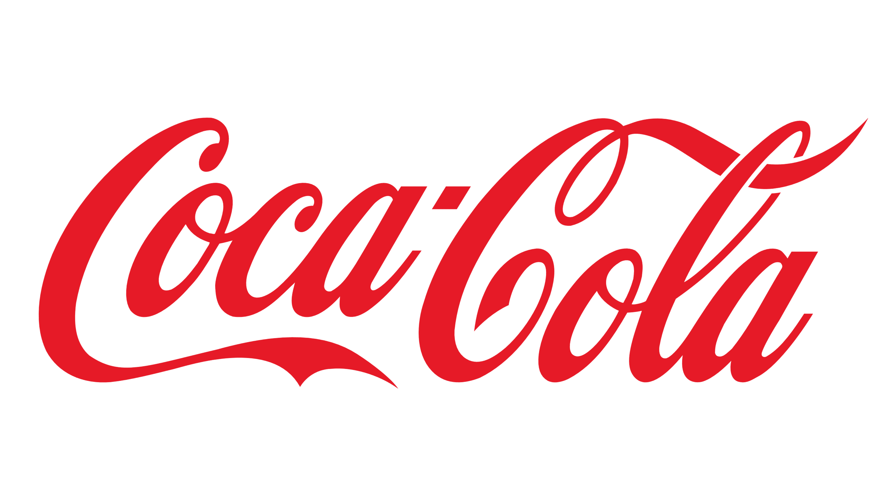
COCA-COLA SALES DASHOBOARD

TOTAL SALES
TOTAL UNIT SOLD
AVERAGE OPERATING MARGIN
AVERAGE OPERATING PROFIT

$12,016,665
24,788,610
42%
$489

SALES BY BEVERAGE BRAND
SALES BY RETAILER

BRAND | SALES 2022 | SALES 2023 | VARIANCE | RETAILER | SALES 2022 | SALES 2023 | VARIANCE
West Soda | $1,170,361.60 | $2,070,594.20 | $900,232.60 | Coca-Cola | $499,102.00 | $2,268,974.90 | $1,769,872.90
Walmart | $339,912.50 | $580,211.00 | $240,298.50 | Dasani Water | $469,270.70 | $1,917,827.80 | $1,448,557.10
Target | $9,250.30 | $1,341,995.00 | $1,332,744.70 | Diet Coke | $423,758.70 | $1,633,959.30 | $1,210,200.60
FizzyCo | $161,210.10 | $2,262,827.10 | $2,101,617.00 | Sprite | $366,578.00 | $1,353,578.30 | $987,000.30
BevCo | $466,788.00 | $2,327,606.50 | $1,860,818.50 | Powerade | $349,533.90 | $1,302,529.30 | $952,995.40
Amazon | $276,210.00 | $1,009,698.70 | $733,488.70 | Fanta | $315,489.20 | $1,116,062.90 | $800,573.70
TOTAL | $2,423,732.50 | $9,592,932.50 | $7,169,200.00 |  | $2,423,732.50 | $9,592,932.50 | $7,169,200.00

SALES AND AVERAGE PROFIT COMPARISON FOR 2022-2023

Qtr4 | $90,391.80 | $241.15
2023 | $1,577,051.60 | $376.89
Qtr1 | $383,459.10 | $338.12
Qtr2 | $355,718.20 | $327.64
Qtr4 | $354,252.30 | $447.29
0 | $- | $-
0 | $- | $-
0 | $- | $-

